FAI
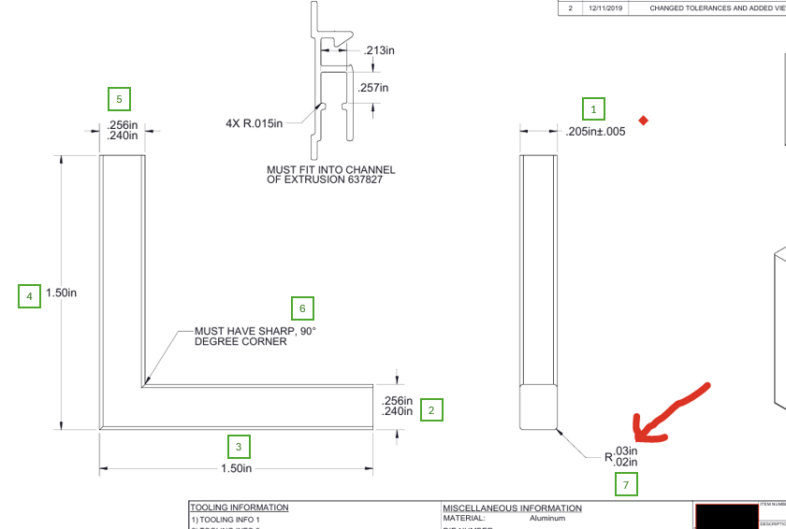
Customer |  | PO # | 5071 | Date Prepared | 1/9/2026 | First Article Report
Part Name | Screen Corner Key | Samples | 5 | Prepared by: | Meng
Part Number | 1000570C | Inch or mm | Inch | Revision | 2
FAI | Type (Diameter Length Position etc.) | Nominal | + Tolerance | - Tolerance | High Limit | Low Limit | Method | Mfg. Sample 1 | Mfg. Sample 2 | Mfg. Sample 3 | Mfg. Sample 4 | Mfg. Sample 5
1 | Length | 0.205 | 0.005 | 0.005 | 0.210 | 0.200 | Caliper
2 | Length | 0.248 | 0.008 | 0.008 | 0.256 | 0.240 | Caliper
3 | Length | 1.500 | 0.030 | 0.030 | 1.530 | 1.470 | Caliper
4 | Length | 1.500 | 0.030 | 0.030 | 1.530 | 1.470 | Caliper
5 | Length | 0.248 | 0.008 | 0.008 | 0.256 | 0.240 | Caliper
6 | Angle | 90.000 | 0.000 | 0.000 | 90.000 | 90.000 | VMM
7 | Radius | 0.025 | 0.005 | 0.005 | 0.030 | 0.020 | VMM

Print Page 1
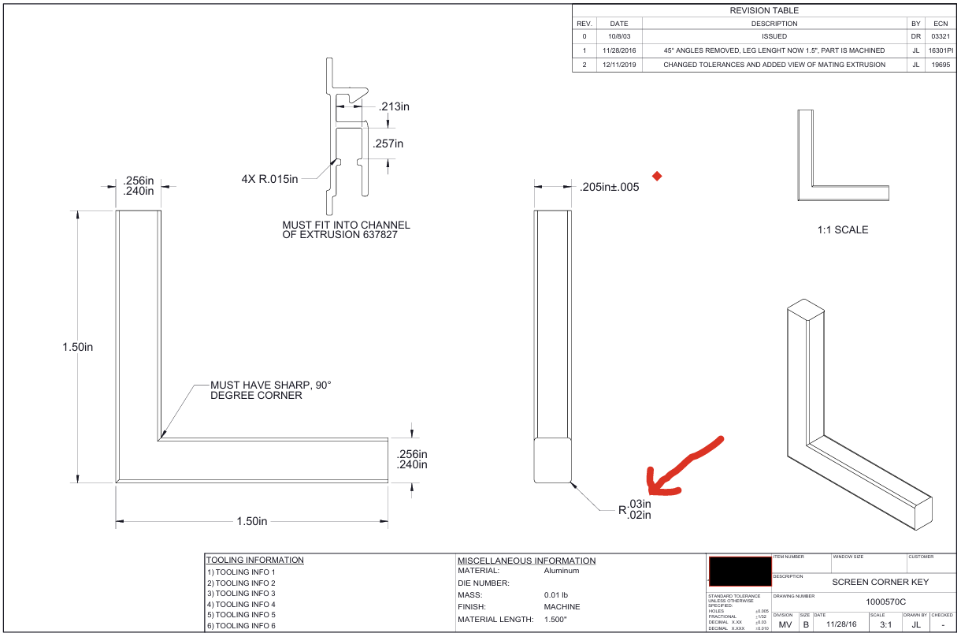

5
1

4
6

2

3

7

Tolerance Table
